Water Budget Calculator
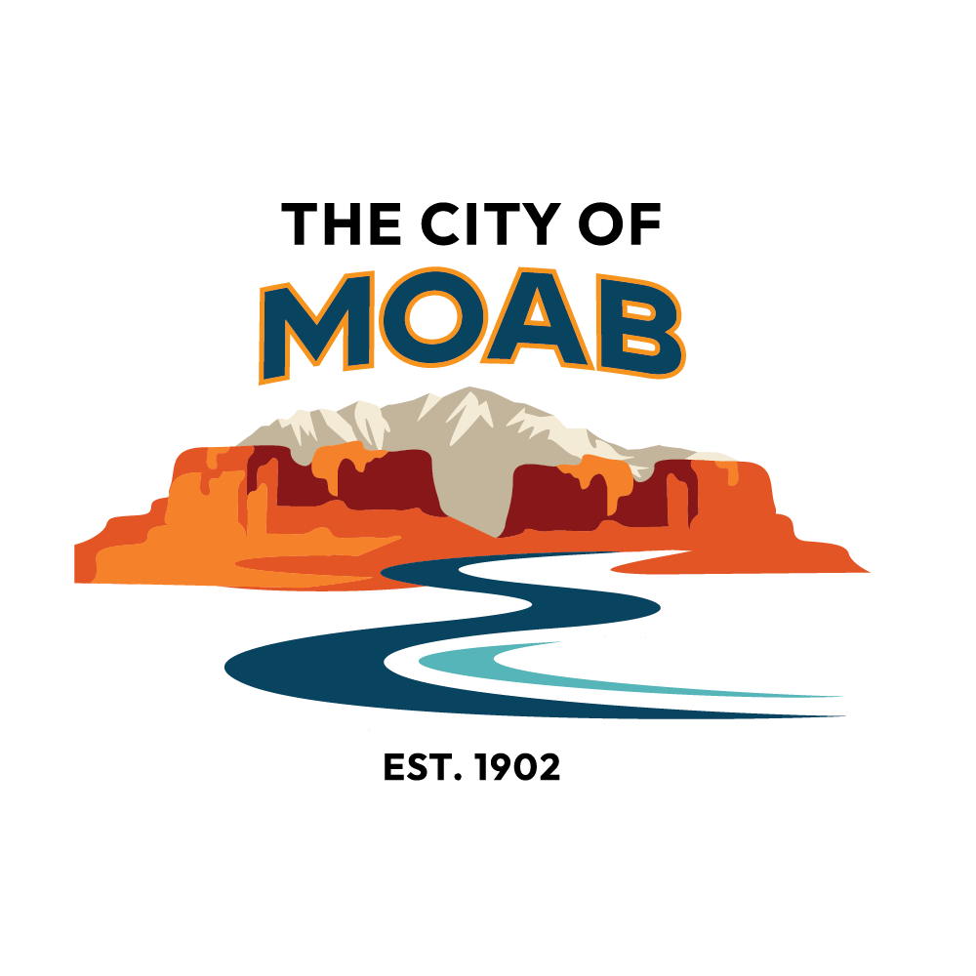 | City of Moab Water Efficient Landscaping Water Budget Worksheet
 | Note: Project Applicant must complete this worksheet as it is a required element of the Landscape Plan.
 | Address: |  |  | Contact Info:
 | CALCULATING GALLONS OF WATER NEEDED BY PLANT CATEGORY AND IRRIGATION TYPE
 | The specific irrigation water needs of each hydrozone in the design should be determined using the following formula and factors:
Directions: | Irrigation Water Budget = [(ETo x Plant Factor) - EP] x Irrigated Area / Irrigation Efficiency x 0.623

Fill in these blue sections below. Some columns have drop down menus to assist you. The formulas will automatically calculate the site average annual water use. Include the completed calculator in the landcape plan you submit to the city. | Where: |  |  |  | Reference Evapotranspiration
 | ETo = Reference Evapotranspiration in inches/season (May - Oct) |  |  |  | 49.8 | inches/year
 | EP = Effective Precipitation in inches/season (May - Oct) |  |  |  | 31.0 | gallons/square foot
 | Irrigated Area = Hydrozone Area in Square Feet
 |  |  |  |  | Effective Precipitation
 |  |  |  |  | 1.7 | inches/year
 |  |  |  |  | 1.1 | gallons/square foot
 | Hydrozones Efficiency
 | Water Use Category | Plant Factor | Code |  | Irrigation Efficiency
 | High / Water Feature | 0.80 | H |  | None | 100%
 | Medium | 0.50 | M |  | Drip | 90%
 | Low | 0.20 | L |  | Overhead | 70%
 | Very Low / Non-irrigated | 0.00 | VL |  | Water Feature | 75%
HYDROZONE WATER BUDGET CALCULATION
Complete the hydrozone table for each hydrozone. Use as many rows as necessary to provide the square footage of landscape area per hydrozone.
Total required landscape area: |  | Sq. Ft.
Total landscape area: |  | Sq. Ft.

Hydrozone | Plant Water Use Type(s) | Plant Factor | Irrigation Method | Irrigation Efficiency | Hydrozone Area | Plant Water Need
 |  |  |  |  | (Sq. Ft.) | (gal/season)
Example Zone | L | 0.20 | Drip | 0.90 | 1000 | 5718
Zone 1 |  | #N/A |  | #N/A |  | 0
Zone 2 |  | #N/A |  | #N/A |  | 0
Zone 3 |  | #N/A |  | #N/A |  | 0
Zone 4 |  | #N/A |  | #N/A |  | 0
Zone 5 |  | #N/A |  | #N/A |  | 0
Zone 6 |  | #N/A |  | #N/A |  | 0
 |  |  |  | TOTAL | 0 | 0
AVERAGE IRRIGATION WATER NEED - ALL ZONES* - In gallons/sq. ft./season |  |  |  |  |  | N/A
*The Maximum Applied Water Budget is 15 gallons/sq.ft./season unless "Special Features" are used. The Maximum Water Budget increases to 16 gal/sq.ft/season if at least 5% of the total irrigated hydrozone area is comprised of "Special Features". The Budget increases to 17 gal./sq.ft./season if at least 10% of the total irrigated hydrozone area is comprsised of "Special Features." The use of rain barrels is also incentivized. The Maximum Applied Water Budget increases to 17 gal./sq.ft./season if at least 10% of the total irrigated hydrozone area is comprised of "Special Features." Please refer to 17.10.040 for more information on Special Features and rain barrels. https://moab.municipal.codes/Code/17.10.040
updated: 01.08.24

