Budget Sheet RAP 2026
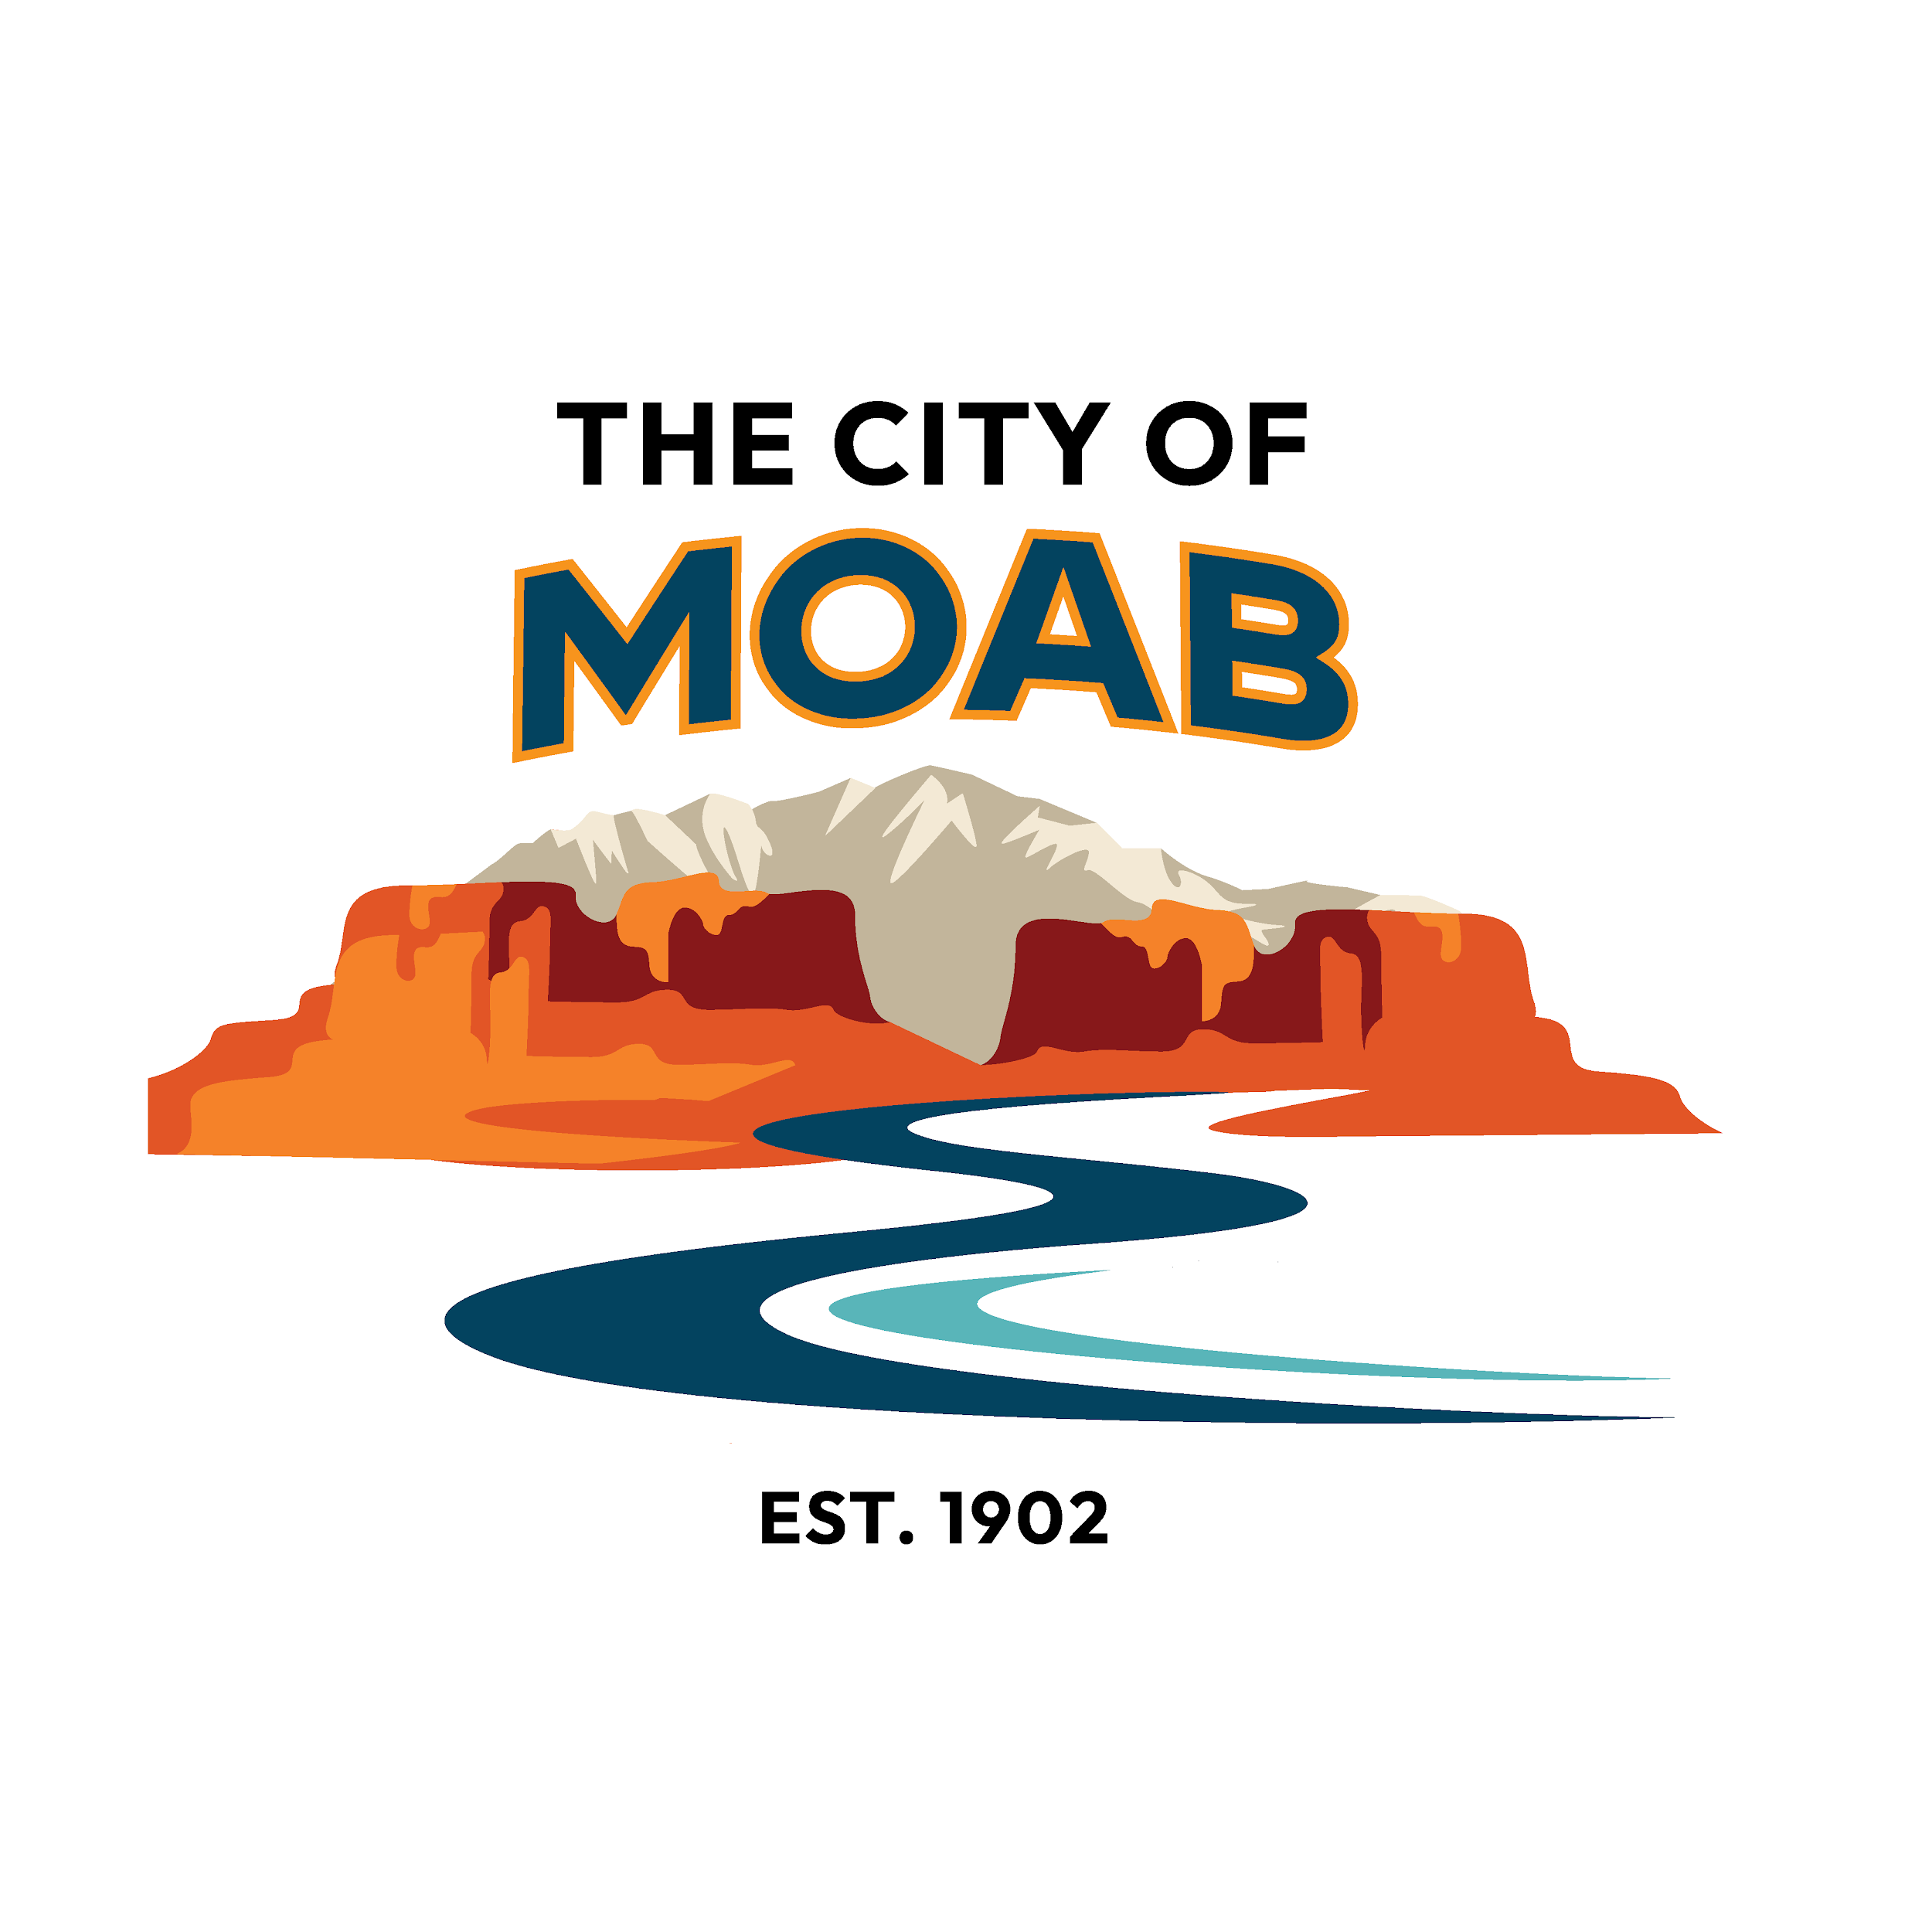 | 2026 RAP Tax Grant Budget Sheet

Project Name: |  | Project Applicant:
FUNDING SOURCES
1. Monetary Funding: Please list any requests for cash funding that you have made that have yet to be granted, including any additional grants you have applied for or donations requested. Please list any cash funding that has been gauranteed, including awarded grants, donations, expected ticket revenue, etc. Indicate via the dropdown if the funding is requested or secured.
Type of Funds (Grant, Donation, etc.) | Organization | Amount | Secured or Requested | Notes
RAP TAX Grant | City of Moab |  | Requested | (Applicant must match RAP Tax Grant Request between Applicant Cash and Applicant In-Kind Funding)

 | Total Amount: | $0.00

2.In-Kind: Please list the overall cost of any materials, equipment, or services that will be donated, including any volunteer time, from your organization or partners. Volunteer time should be calculated at $28.54 per hour.
Type of Donation (Volunteer Hours, Materials, Equipment, Services, etc.) | Vendor/Organization | Estimated Value | Notes
Applicant Volunteer Time | Self

 | Total Amount Donated: | $0.00

TOTAL PROJECT FUNDING | Total Funding: | $0.00

 | Total In-Kind Funding: | $0.00
 | Total Project Funding: | $0.00

EXPENDITURES
3. Use of Monetary & In-Kind Funds: Please list how the total cash funding amount (Step 1 + Step 2) will be spent. Please be as detailed as possible.
Type of Service (Materials, Wages, Benefits, Advertising, Travel, Professional Services, Volunteer Hours, Materials, Equipment, etc.) | Vendor/Organization | Estimated Cost | Notes

 | Total Amount Spent: | $0.00

TOTAL PROJECT EXPENDITURES

 | Total Project Expenses: | $0.00 |  | (Should match total project funding)

